OFFER
 |  |  | Owen & Jones_Suits_Man_Feb'17

 |  |  |  | SIZE |  |  |  |  |  |  | 1,830
GENDER | FAMILY | PICTURE | COLOUR | 48/40 | 50/42 | 52/44 | 54/46 | 56/48 | 58/50 | 60/52 | TOTAL | Price | Retail Price
MAN | Suit | 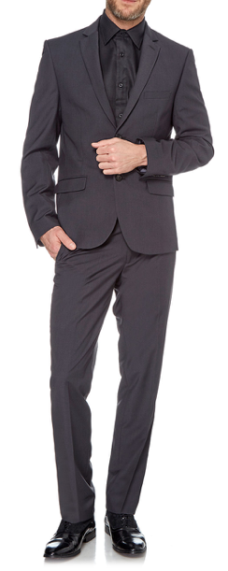 | ANTRACITA | 48 | 52 | 84 | 103 | 80 | 68 | 44 | 479 | 54.00 € | 290.00 €
MAN | Suit | 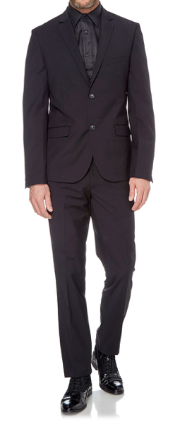 | BLACK | 54 | 56 | 98 | 115 | 86 | 77 | 48 | 534 | 54.00 € | 290.00 €
MAN | Suit | 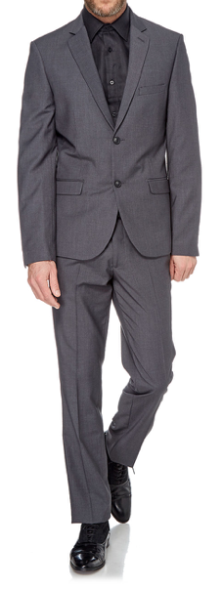 | M.GREY | 25 | 16 | 70 | 86 | 46 | 25 | 23 | 291 | 54.00 € | 290.00 €
MAN | Suit | 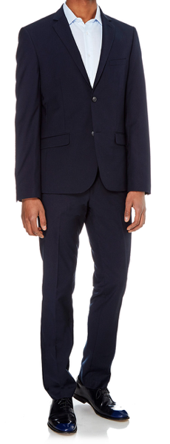 | NAVY | 55 | 52 | 101 | 111 | 82 | 78 | 47 | 526 | 54.00 € | 290.00 €

